Sheet1
Nama : Iftitah Hidayati
Kelas : TI 3H
NIM : 2041720006
No. Present : 11
=============================================================================================================================================
TUGAS MACHINE LEARNING
PERTEMUAN 11

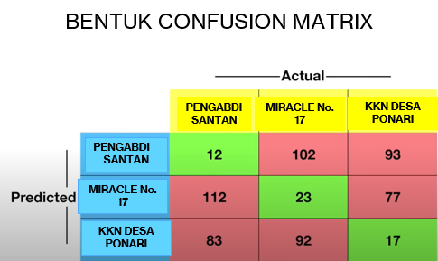
 |  |  |  |  | Actual | Predicted
 |  |  |  | TP | Yes | Yes
 |  |  |  | TN | No | No
 |  |  |  | FN | Yes | No
 |  |  |  | FP | No | Yes
$$Sensitivitas= \frac{TP}{TP+FN}$$

$$Spesitivitas= \frac{TN}{TN+FP}$$

JAWABAN

PENGABDI SANTAN |  |  |  | MIRACLE NO.17 |  |  |  | KKN DESA PONARI

TP | 12 | 12 |  | TP | 23 | 23 |  | TP | 17 | 17
FN | 112 + 83 | 195 |  | FN | 102 + 92 | 194 |  | FN | 93+77 | 170
FP | 102 + 93 | 195 |  | FP | 112 + 77 | 189 |  | FP | 83+92 | 175
TN | 23 + 77 + 92 + 17 | 209 |  | TN | 12 + 93 + 83 + 17 | 205 |  | TN | 12+102+112+23 | 249

Sensitivitas | TP / (TP + FN) | 0.057971014493 | 5.8% | Sensitivitas | TP / (TP + FN) | 0.10599078341 | 10.6% | Sensitivitas | TP / (TP + FN) | 0.090909090909 | 9.1%
Spesitivitas | TN / (TN + FP) | 0.51732673267 | 51.7% | Spesitivitas | TN / (TN + FP) | 0.52030456853 | 52.0% | Spesitivitas | TN / (TN + FP) | 0.58726415094 | 58.7%

